заявка
айрлайд
спанлейс | продукт
fluff | Код SAP | Вносится иницатором (текст)
fluff+SAP | Наименование SAP | Вносится иницатором (текст) | Шаблон этикетки
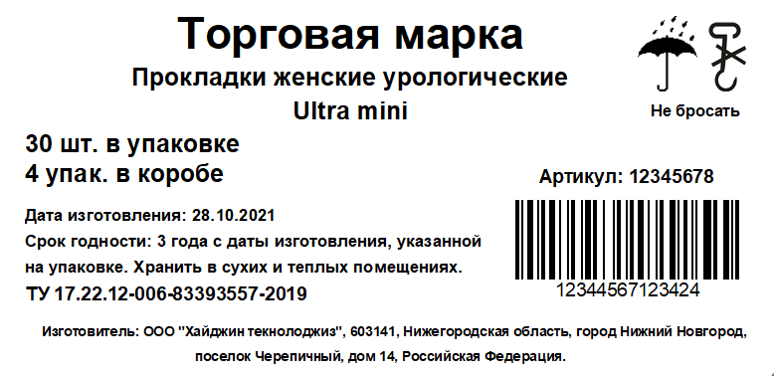
standart | тип продукта | Прокладки ежедневные целлюлозные
perf | форма продукта | discrete figure
white | внутр. тиснение | цветочки
color | форма впит.слоя | pinroll/ no pinpoll
standart | сырье
NW phobic | впит.слой | fluff+SAP
standart | покрытие | perf
siliconized | арт SAP | ,,,,,,
box | сил.бумага | color
bag | арт SAP | ,,,,,,
standart | инд.упак. | white
new |  | siliconized
carton box | арт SAP | ,,,,,,
pallet | защ.слой | white
 |  | NW phobic
 | отдушка | standart
 | арт SAP | ,,,,,,
 | упаковка продукции
 | упаковка | box
 |  | standart
 | шт. в упак. | ,,,,,,
 |  | carton box
 |  | new
 | Маркировка упаковки | standart
 | укладка
 | шт. в коробе | ,,,,,,
 | кор. на паллете | ,,,,,,
 | max высота | ,,,,,,
 | тип паллета

 | этикетка
 | Название | Ultra mini
 | ТУ | ,,,,,,
 | ШК на короб | ,,,,,,
 | Артикул клиента | ,,,,,,

 | аналог арт.SAP | ,,,,,,

Лист3


